TestSummary
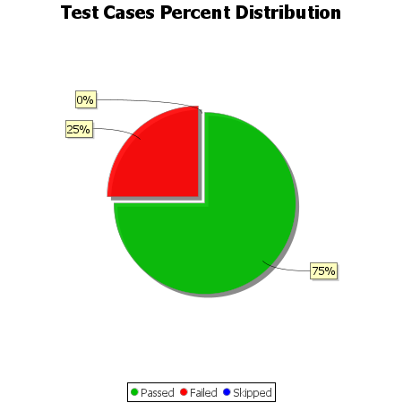
Total Test Cases | 8
Test Cases Passed | 6
Test Cases Failed | 2
Test Cases Skipped | 0

